Sheet1
 |  | Document No. | Issue No. | Issue Date |  |  | Review and Replace Date |  | Authorised By
 |  | GFF556MC | 1 | 03.03.2026 |  |  | New doc |  | Magda Shah
 |  | Document Title | GAZEBO 4 Vegetable Samosa 160g

Document amendments reason for change |  | New doc |  | Page 1 of 1 |  | Previous Issue Date |  | New doc | Uncontrolled copy unless signed original

CVSAC-R6T | GAZEBO |  | 4 Vegetable Samosa 160g | CHILLED

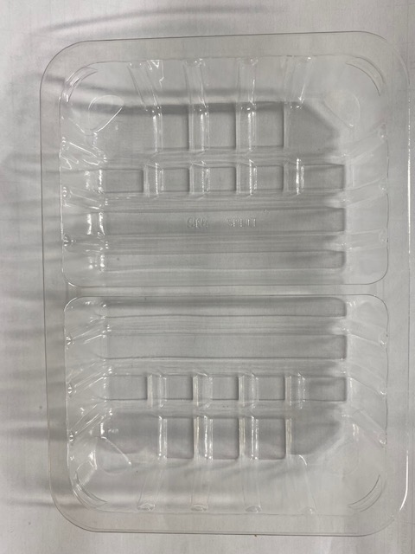 |  |  |  |  | 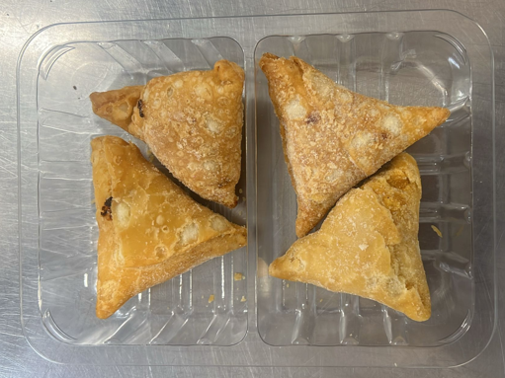

Veg Samosa -INDIA

Tray: SK4 Split Clear (PKESS001-06) |  |  |  |  | Vegetable Samosa 40g-(RMSRI001-03) : 4 pieces
Film: K-peel 7G+25A/f-275mm (PKKMP001-03) |  |  |  |  | Total Weight:160g
ALLERGY ALERT: WHEAT

